Highlights
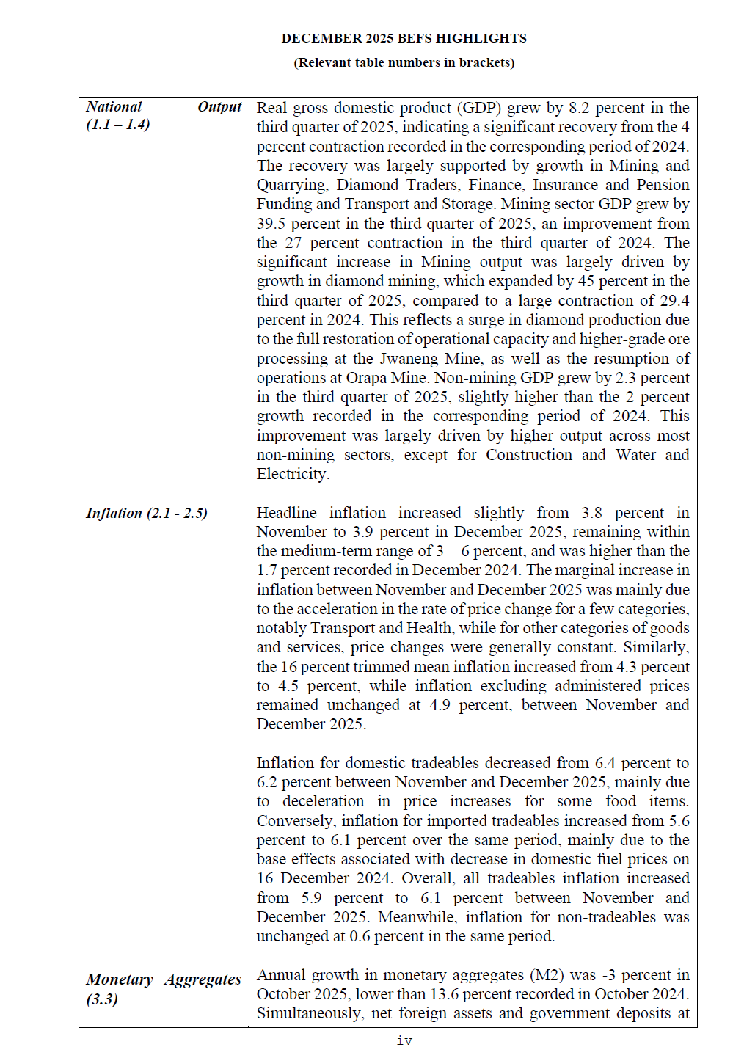
BACK TO CONTENTS

